Channel Statistics
SKUs VS SALES
Channel Statistics
Channel | SKUs | Sales
CHANNEL 6 | 340 | 1,689,123.71
CHANNEL 1 | 497 | 1,535,099.08
CHANNEL 7 | 322 | 1,474,770.60
CHANNEL 8 | 52 | 1,367,419.14
CHANNEL 3 | 433 | 1,315,367.81
CHANNEL 5 | 49 | 1,249,815.36
CHANNEL 4 | 338 | 1,132,033.64
CHANNEL 2 | 320 | 1,085,683.09

PRODUCTION LINE STATS
PRODUCTION LINE STATS

Line Edit | SKUs
On Going | 124
0 | 4
1 Shot | 146
Un - Categorised | 157

YEARLY PRODUCT LAUNCH
YEARLY PRODUCT LAUNCH

Sales | Year | Number of products Launched
2221403.902 | 2016 | 151
398633.2635 | 2017 | 14
459670.098 | 2018 | 232
1375729.963 | 2019 | 33

YOY (Revenue)
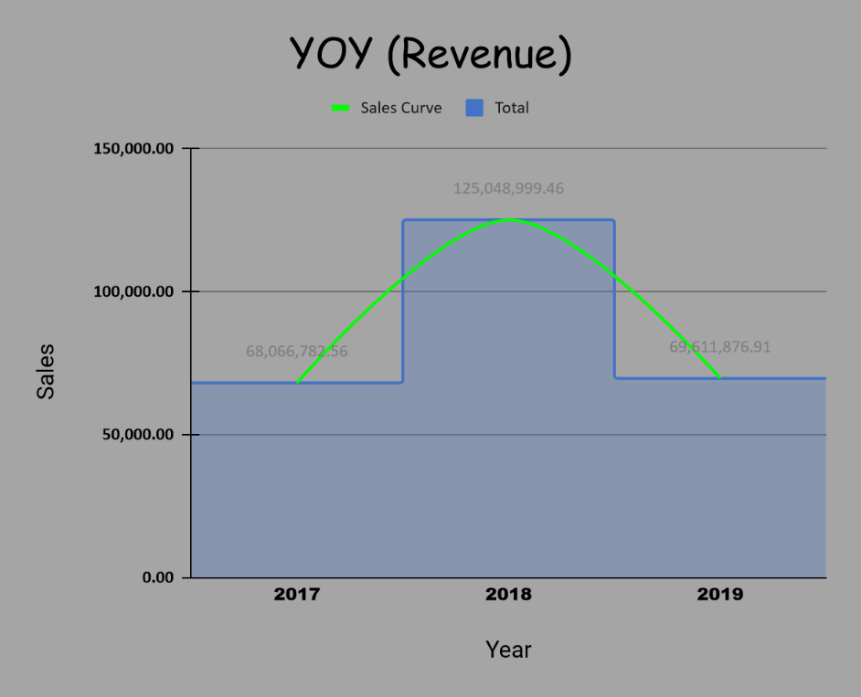
2017 | 2018 | 2019 | Avg Yearly Sale
68,066,782.56 | 125,048,999.46 | 69,611,876.91 | 64,371,927.34
YOY% | 83.72% | -44.33%

YOY (Sales)
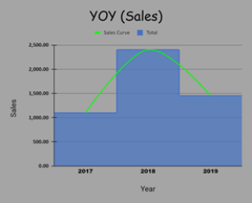
2017 | 2018 | 2019 | Avg Yearly Sale
1,098,214.72 | 2,402,803.76 | 1,452,704.00 | 1,167,006.16
YOY% | 118.79% | -39.54%

Best Sellers(Sales)
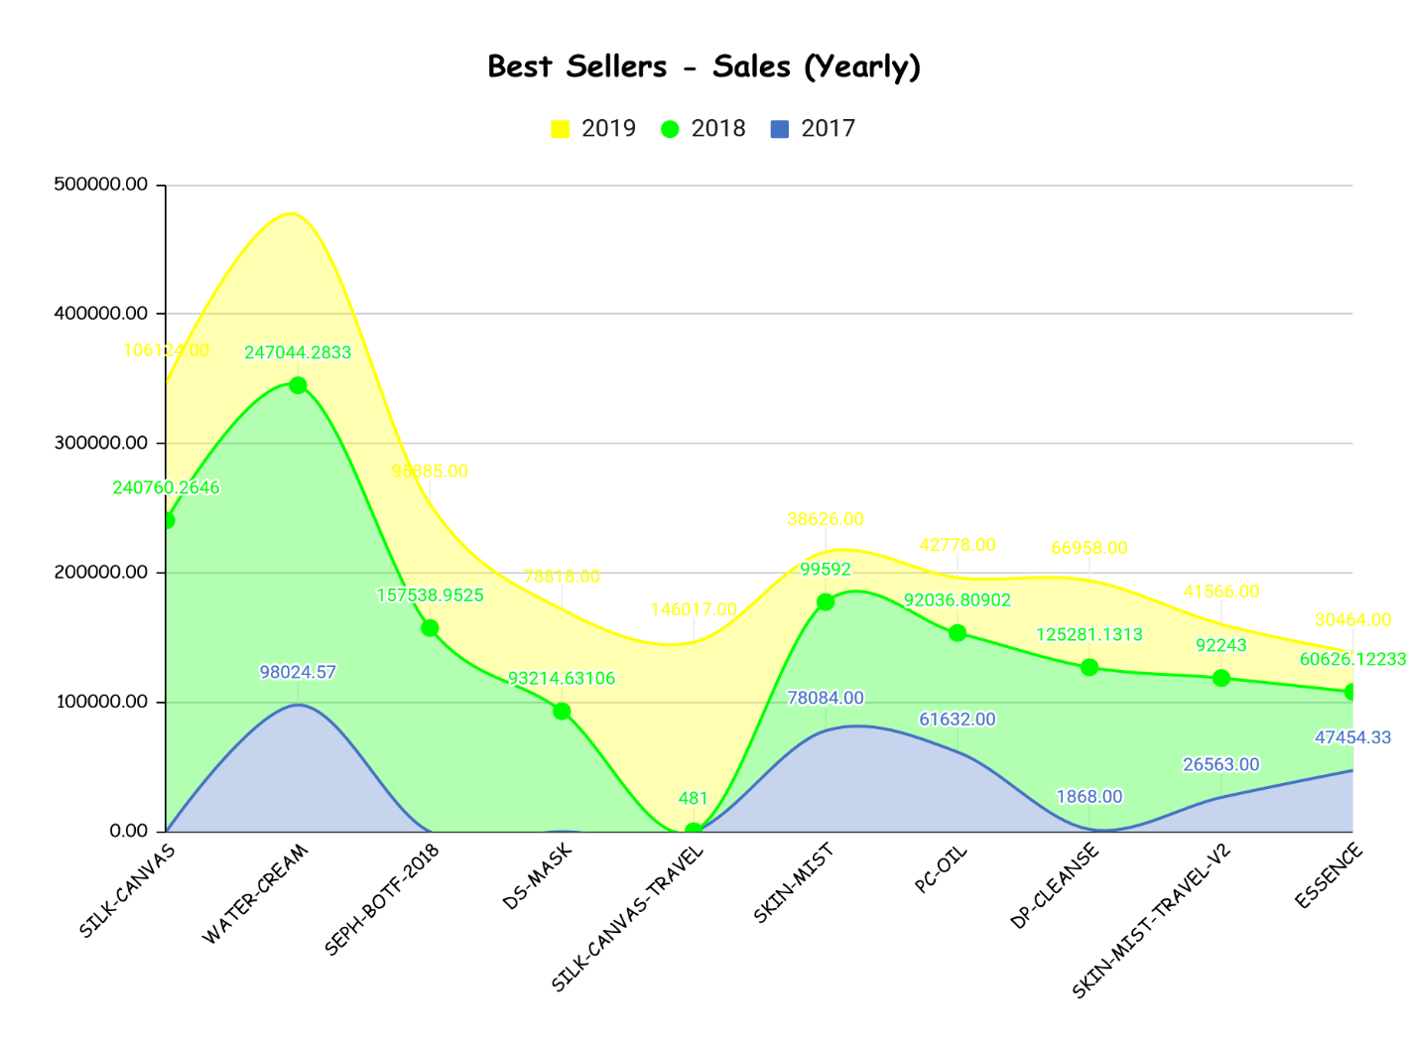
Unique SKUs | 2017 | 2018 | 2019 | Product's Yearly Sales Average
SILK-CANVAS | N/A | 240,760.26 | 106,124.00 | 173,442.13
WATER-CREAM | 98,024.57 | 247,044.28 | 131,653.00 | 158,907.28
SEPH-BOTF-2018 | N/A | 157,538.95 | 95,885.00 | 126,711.98
DS-MASK | N/A | 93,214.63 | 78,818.00 | 86,016.32
SILK-CANVAS-TRAVEL | N/A | 481 | 146,017.00 | 73,249.00
SKIN-MIST | 78,084.00 | 99,592.00 | 38,626.00 | 72,100.67
PC-OIL | 61,632.00 | 92,036.81 | 42,778.00 | 65,482.27
DP-CLEANSE | 1,868.00 | 125,281.13 | 66,958.00 | 64,702.38
SKIN-MIST-TRAVEL-V2 | 26,563.00 | 92,243.00 | 41,566.00 | 53,457.33
ESSENCE | 47,454.33 | 60,626.12 | 30,464.00 | 46,181.48

Best Sellers (Revenue)
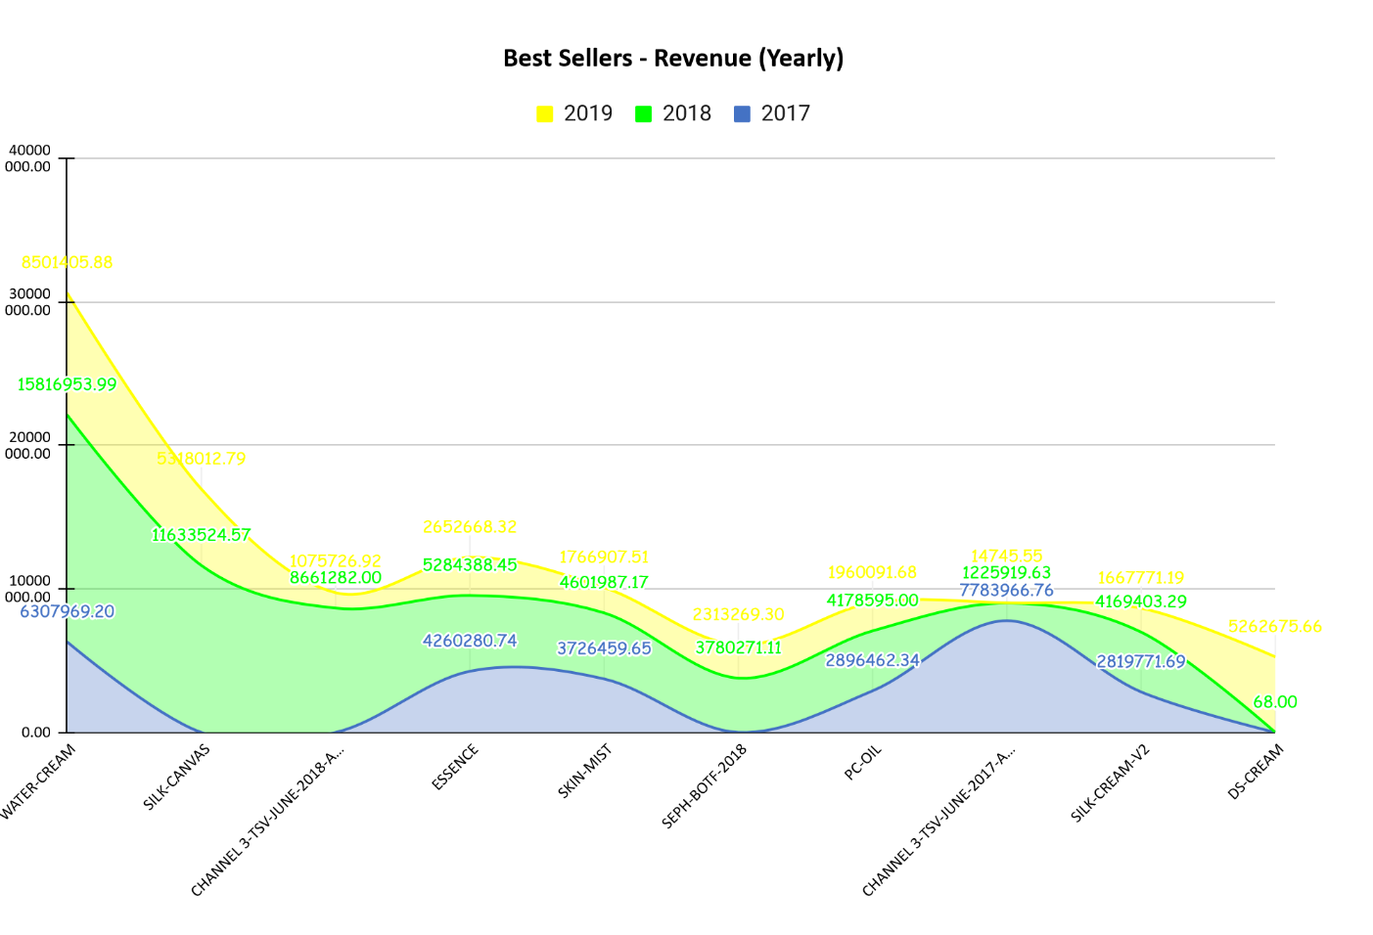
Unique SKUs | 2017 | 2018 | 2019 | Product's Yearly Sales Average
WATER-CREAM | 6,307,969.20 | 15,816,953.99 | 8,501,405.88 | 10,208,776.35
SILK-CANVAS | N/A | 11,633,524.57 | 5,318,012.79 | 8,475,768.68
CHANNEL 3-TSV-JUNE-2018-A305748 | N/A | 8,661,282.00 | 1,075,726.92 | 4,868,504.46
ESSENCE | 4,260,280.74 | 5,284,388.45 | 2,652,668.32 | 4,065,779.17
SKIN-MIST | 3,726,459.65 | 4,601,987.17 | 1,766,907.51 | 3,365,118.11
SEPH-BOTF-2018 | N/A | 3,780,271.11 | 2,313,269.30 | 3,046,770.21
PC-OIL | 2,896,462.34 | 4,178,595.00 | 1,960,091.68 | 3,011,716.34
CHANNEL 3-TSV-JUNE-2017-A294795 | 7,783,966.76 | 1,225,919.63 | 14,745.55 | 3,008,210.65
SILK-CREAM-V2 | 2,819,771.69 | 4,169,403.29 | 1,667,771.19 | 2,885,648.72
DS-CREAM | N/A | 68 | 5,262,675.66 | 2,631,371.83

